test log
index | tlog | tlog2chartV1.3.5 | issue | copilot
1 | 01-Tykon0527-004-2_53300201 | 2026-03-09 | Ok | ok
2 | 02-Tykon1213-EDCM_EvalWoDepo_RF50ms_10000Cyc | 2026-03-09 |  | ok
3 | 03-Tykon1213-timestamp-002 07 25 2025 ABV417 DCM4 RCB | 2026-03-09 | 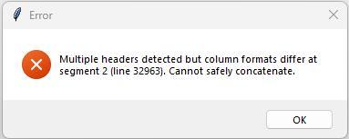 | fixed
4 | 04-Q2013-M F10-Pfwd spike-RC2 goodtlog_ 43600142_20250717-163155 | 2026-03-09 | missing analysis table
5 | 05-Chronos 1H-39 19500002 tlog | 2026-03-09 | 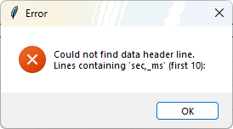
6 | 06-C2.0-37 19600052 tlog | 2026-03-09 | 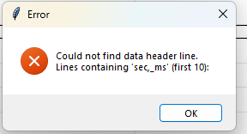 and missing analysis matrics | fixed

